Cover
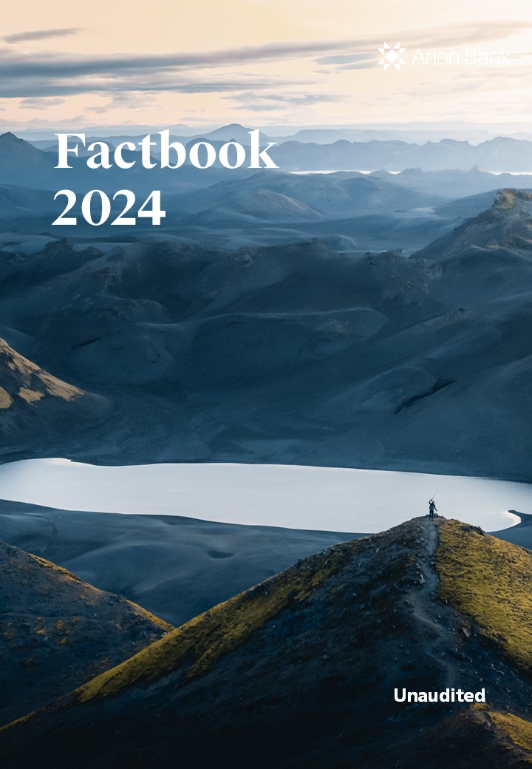
Arion Bank Factbook 31 December 2022 Unaudited

